2026 IWF WCH_TO Nomination Form
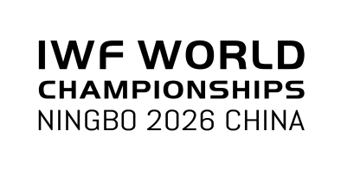
NOMINATION FORM FOR TECHNICAL OFFICIALS FOR THE 2026 IWF WORLD CHAMPIONSHIPS, NINGBO, CHN

RETURN TO IWF BY EMAIL: competition@iwf.sport |  |  |  |  |  |  |  |  |  |  | Deadline: 07 August 2026

 | Gender M / F | Family Name(s) |  | Given Name(s) | TO Card Number | Date of birth (dd.mm.yyyy) | Work experience in 2023-2026 at IWF Events Year / Event * |  |  |  | Contact Email | Contact Mobile Number
1 | M
2 | F
Competition Doctor
Competition Doctor
Nominate a maximum of 1 Male (M) / 1 Female (F) Technical Official (Competition Doctor(s) excluded) for the Event.
 |  |  |  |  |  |  | * Please use these abbreviations:
Country (IOC) code: |  |  | Date: |  |  |  | OG | Olympic Games | CC | Continental Championships
 |  |  |  |  |  |  | YOG | Youth Olympic Games | CG | Continental Games
 |  |  |  |  |  |  | WCH | IWF World Championships | RC | Regional Championships
 |  |  |  |  |  |  | WJC | IWF World Junior Championships | RG | Regional Games
Signature*: |  |  | Stamp: |  |  |  | WYC | IWF World Youth Championships | U | Universiade
 |  |  |  |  |  |  | CWG | Commonwealth Games | WUC | World University Championships

*By completing and returning the form, I consent to the IWF processing the personal information of technical officials for the purpose of conducting the 2026 IWF World Championships Technical Officials Selection Process.

Please use a computer to complete the Form.

